Sheet1
COFFEE SALES DASHBOARD
Sales |  | Coffee Type
Years | Order Date | Ara | Exc | Lib | Rob | Grand Total
2019 | Jan | 187 | 306 | 213 | 123 | 829
 | Feb | 252 | 129 | 434 | 172 | 987
 | Mar | 225 | 349 | 321 | 126 | 1,021
 | Apr | 307 | 681 | 534 | 159 | 1,681
 | May | 54 | 83 | 194 | 68 | 399
 | Jun | 163 | 678 | 171 | 372 | 1,385
 | Jul | 345 | 274 | 184 | 201 | 1,004
 | Aug | 335 | 71 | 134 | 166 | 706
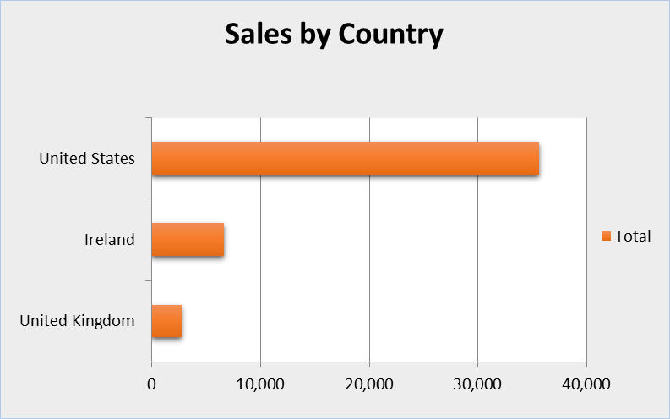
 | Sep | 179 | 166 | 439 | 493 | 1,277
 | Oct | 302 | 154 | 216 | 214 | 885
Total Sales over Time
 | Nov | 313 | 63 | 351 | 96 | 823
 | Dec | 266 | 527 | 187 | 211 | 1,190
2020 | Jan | 47 | 66 | 275 | 179 | 567
 | Feb | 745 | 429 | 194 | 430 | 1,798
 | Mar | 130 | 271 | 281 | 232 | 915
 | Apr | 27 | 347 | 148 | 240 | 762
 | May | 255 | 542 | 83 | 59 | 939
 | Jun | 585 | 357 | 355 | 141 | 1,438
 | Jul | 431 | 227 | 236 | 415 | 1,309
 | Aug | 23 | 78 | 61 | 140 | 300
 | Sep | 126 | 195 | 89 | 303 | 713
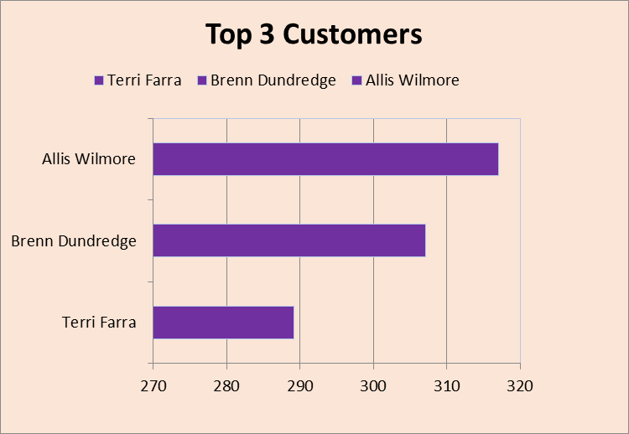
 | Oct | 376 | 523 | 441 | 174 | 1,515
 | Nov | 515 | 143 | 347 | 104 | 1,109
 | Dec | 96 | 485 | 94 | 77 | 752
2021 | Jan | 258 | 140 | 280 | 160 | 838
 | Feb | 342 | 284 | 252 | 81 | 959
 | Mar | 418 | 468 | 405 | 253 | 1,545
 | Apr | 102 | 242 | 555 | 106 | 1,006
 | May | 235 | 133 | 267 | 273 | 908
 | Jun | 430 | 136 | 210 | 88 | 865
 | Jul | 109 | 394 | 61 | 199 | 763
 | Aug | 288 | 289 | 126 | 374 | 1,076
 | Sep | 841 | 410 | 171 | 221 | 1,644
 | Oct | 299 | 260 | 585 | 256 | 1,400
 | Nov | 323 | 566 | 538 | 189 | 1,616
 | Dec | 399 | 148 | 388 | 212 | 1,148
2022 | Jan | 113 | 166 | 844 | 147 | 1,269
 | Feb | 115 | 134 | 91 | 54 | 394
 | Mar | 278 | 175 | 463 | 400 | 1,315
 | Apr | 198 | 290 | 89 | 200 | 776
 | May | 193 | 212 | 292 | 304 | 1,002
 | Jun | 180 | 426 | 170 | 379 | 1,155
 | Jul | 247 | 247 | 271 | 142 | 907
 | Aug | 116 | 41 | 16 | 71 | 244
Grand Total |  | 11,768 | 12,306 | 12,054 | 9,005 | 45,134

